Sequencing
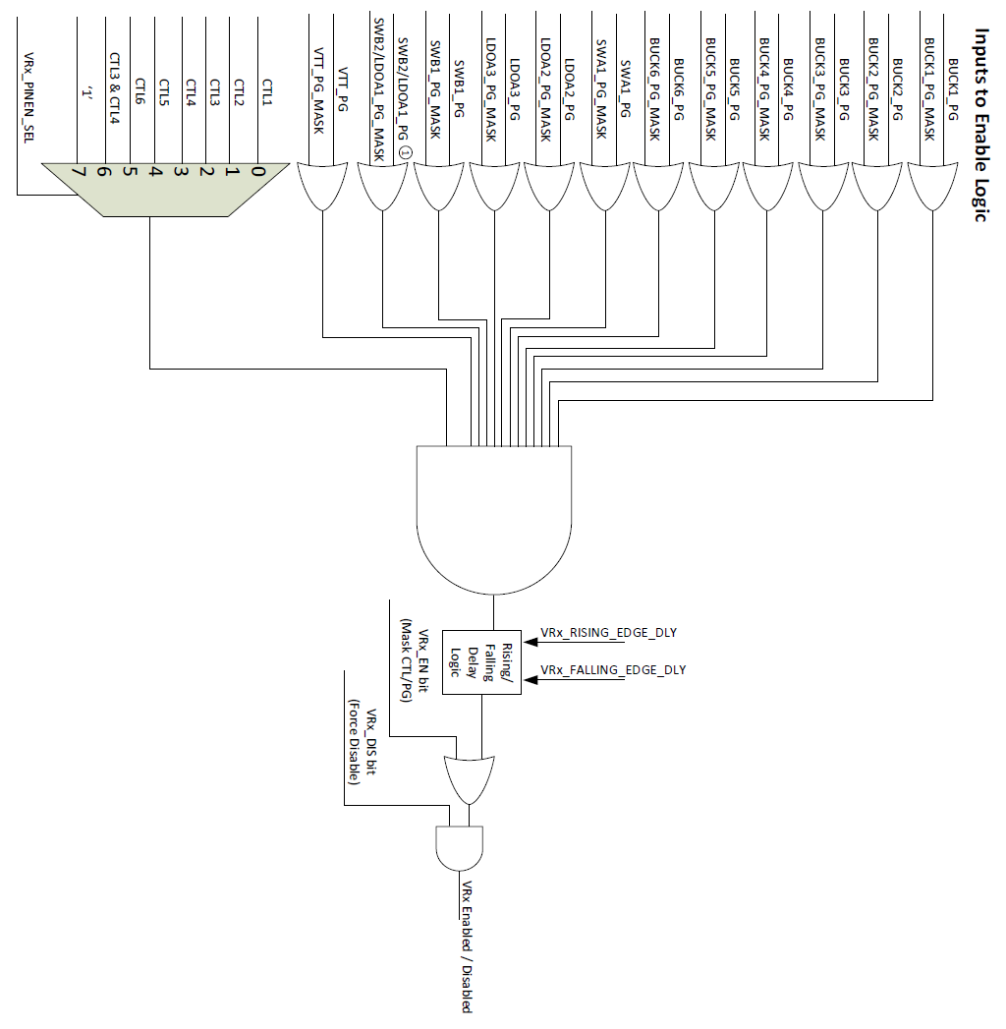
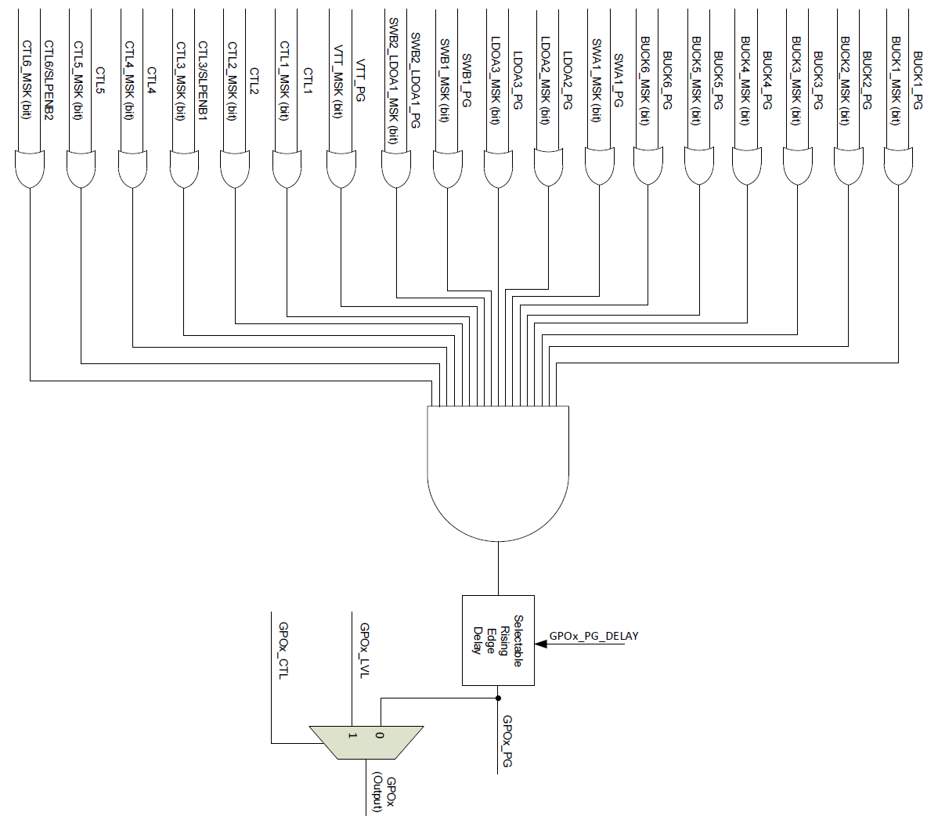
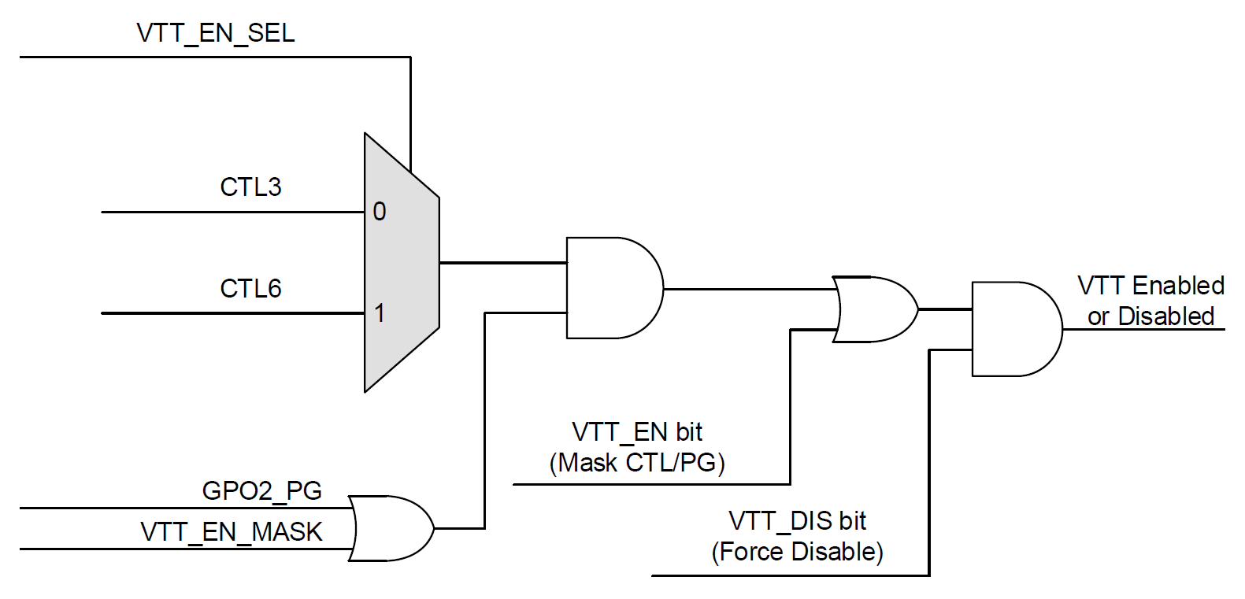
 | Pin Assignments
 | Rail | Assigned to which CTL pin? | Force Disabled by default? | Mask CTL/PG by default? | SLP_VID Selection Pin | SLP_EN by default? |  |  | Notes
 | BUCK1 | CTL1 | Yes | No | CTL3 | No |  | 1 | All rails are assigned to an alternate voltage ("sleep") pin, but if not being used, it should be disabled
 | BUCK2 | CTL1 | Yes | No | CTL3 | No
 | BUCK3 | CTL1 | Yes | No | CTL3 | No |  | 2 | Masking the CTL/PG by default will cause the rail to be always on unless force disabled by default.
 | BUCK4 | CTL1 | Yes | No | CTL3 | No
 | BUCK5 | CTL1 | Yes | No | CTL3 | No |  | 3 | Typically "Force Disabled by default?" and "Mask CTL/PG by default?" should both be set for I2C controlled rails.
 | BUCK6 | CTL1 | Yes | No | CTL3 | No
 | LDOA2 | CTL1 | Yes | No | CTL3 | No
 | LDOA3 | CTL1 | Yes | No | CTL3 | No
 | SWA1 | CTL1 | Yes | No
 | SWB1 | CTL1 | Yes | No
 | SWB2 | CTL1 | Yes | No
 | VTT LDO | CTL3 | Yes | No |  |  |  | 4 | VTT LDO is controlled by these signals only, not AND with PG tree. To sequence, GPO2 usage is recommended.

 | "-" just inputs a "1" into the enable mux (shown below in the VR Logic Schematic).

 |  | Inputs to Enable Logic
 |  | BUCK1_PG | BUCK2_PG | BUCK3_PG | BUCK4_PG | BUCK5_PG | BUCK6_PG | LDOA2_PG | LDOA3_PG | SWA1_PG | SWB1_PG | LDOA1_PG | VTT_PG | CTL1 | CTL2 | CTL3 | CTL4 | CTL5 | CTL6 | Rising Delay | Falling Delay
Rail being enabled | BUCK1 | - |  |  |  |  |  |  |  |  |  |  | - | - | - | - | - | - | - | No Delay | No Delay
 | BUCK2 |  | - |  |  |  |  |  |  |  |  |  | - | - | - | - | - | - | - | No Delay | No Delay
 | BUCK3 |  |  | - |  |  |  |  |  |  |  |  | - | - | - | - | - | - | - | No Delay | No Delay
 | BUCK4 |  |  |  | - |  |  |  |  |  |  |  | - | - | - | - | - | - | - | No Delay | No Delay
 | BUCK5 |  |  |  |  | - |  |  |  |  |  |  | - | - | - | - | - | - | - | No Delay | No Delay
 | BUCK6 |  |  |  |  |  | - |  |  |  |  |  | - | - | - | - | - | - | - | No Delay | No Delay
 | LDOA2 |  |  |  |  |  |  | - |  |  |  |  | - | - | - | - | - | - | - | No Delay | No Delay
 | LDOA3 |  |  |  |  |  |  |  | - |  |  |  | - | - | - | - | - | - | - | No Delay | No Delay
 | SWA1 |  |  |  |  |  |  |  |  | - |  |  | - | - | - | - | - | - | - | No Delay | No Delay
 | SWB1 |  |  |  |  |  |  |  |  |  | - |  | - | - | - | - | - | - | - | No Delay | No Delay
 | SWB2 |  |  |  |  |  |  |  |  |  |  | - | - | - | - | - | - | - | - | No Delay | No Delay
 | GPO1 |  |  |  |  |  |  |  |  |  |  |  |  |  |  |  |  |  |  | No Delay
 | GPO2 |  |  |  |  |  |  |  |  |  |  |  |  |  |  |  |  |  |  | No Delay
 | GPO3 |  |  |  |  |  |  |  |  |  |  |  |  |  |  |  |  |  |  | 2.5 ms
 | GPO4 |  |  |  |  |  |  |  |  |  |  |  |  |  |  |  |  |  |  | No Delay

 |  | Example for GPOx: |  | Setting "Yes" will set the XXX_PG_MASK to '0' and allow the AND gate to track the XXX_PG.
 |  |  |  | Setting "No" is the same as leaving blank and sets the XXX_PG_MASK to '1'

 | VR logic: |  |  |  |  |  |  |  | GPO logic: |  |  |  |  |  |  |  |  |  |  |  |  | VTT Logic:

